Cover Page
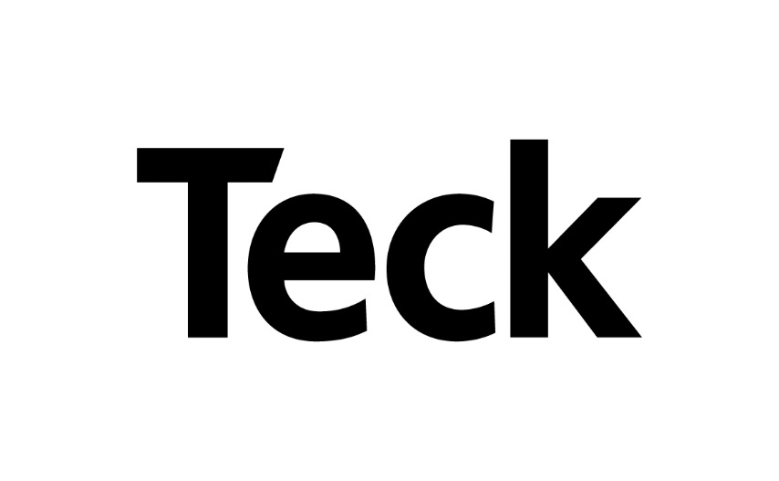

2021 Sustainability Performance Data

About the 2021 Sustainability Performance Data

Teck's 2021 Sustainability Performance Data summarizes our sustainability performance for the 2021 reporting year and provides, where possible, historic data and performance trends on consolidated social, environmental and economic data.
This document supplements the information presented in our annual Sustainability Report and includes data that cannot be presented in the Report due to space restrictions. Additional data may be available on request.
The scope of data covers all of the operations managed by Teck and also, where appropriate, key issues at exploration and development projects and at joint venture operations. Data for joint ventures not operated by Teck is not presented unless otherwise stated.
Unless otherwise stated, we report data for our operations on a 100% ownership basis (e.g., for a 97.5%-owned operation, we report 100% of the data).
Data is reported using the metric system and Canadian dollars, unless otherwise stated. Some figures and percentages may be rounded and may not add up to the total figure or to 100%
Changes to data and re-statements may occur throughout the year due to improved reporting or collection methods, and will be noted with an explanation for the restatement.

See our 2021 Sustainability Report for further details on our reporting methodology.

See our 2021 Annual Report for a full set of financial and production data.

For management approach disclosures and additional context, please visit our Sustainability Disclosure Portal.

If you have any questions or feedback on our sustainability performance data, our sustainability report our any other related disclosure, please email us at sustainability@teck.com

Last Updated: March 16, 2022

